Top 100 Metros
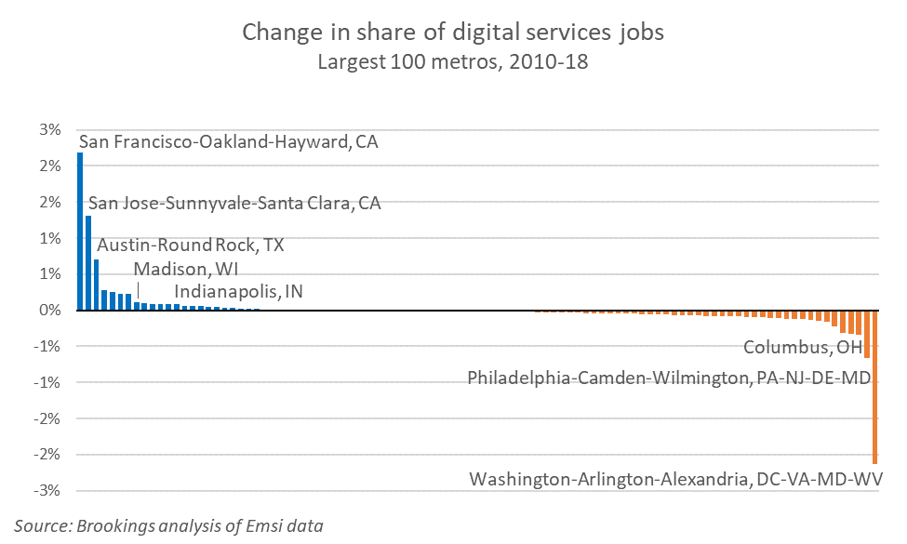
 | Digital services
 | Employment |  |  | Compound annual growth rate |  | Change in share
Name | 2010 | 2015 | 2018 | 2015-18 | 2010-18 | 2015-18 | 2010-18
San Francisco-Oakland-Hayward, CA | 77,024 | 146,543 | 186,195 | 8.3% | 11.7% | 0.6% | 2.2%
San Jose-Sunnyvale-Santa Clara, CA | 79,618 | 133,240 | 162,509 | 6.8% | 9.3% | 0.3% | 1.3%
Austin-Round Rock, TX | 21,126 | 41,686 | 54,603 | 9.4% | 12.6% | 0.2% | 0.7%
Seattle-Tacoma-Bellevue, WA | 86,603 | 111,347 | 140,182 | 8.0% | 6.2% | 0.4% | 0.3%
Denver-Aurora-Lakewood, CO | 32,589 | 46,787 | 57,492 | 7.1% | 7.4% | 0.1% | 0.3%
Phoenix-Mesa-Scottsdale, AZ | 23,427 | 37,897 | 42,875 | 4.2% | 7.8% | 0.0% | 0.2%
Charlotte-Concord-Gastonia, NC-SC | 13,838 | 23,257 | 28,142 | 6.6% | 9.3% | 0.1% | 0.2%
Dallas-Fort Worth-Arlington, TX | 62,681 | 90,971 | 98,708 | 2.8% | 5.8% | -0.2% | 0.1%
Madison, WI | 9,164 | 15,202 | 16,897 | 3.6% | 7.9% | 0.0% | 0.1%
Provo-Orem, UT | 9,993 | 15,239 | 17,945 | 5.6% | 7.6% | 0.0% | 0.1%
Kansas City, MO-KS | 21,185 | 28,972 | 34,891 | 6.4% | 6.4% | 0.1% | 0.1%
Chicago-Naperville-Elgin, IL-IN-WI | 57,904 | 83,705 | 90,522 | 2.6% | 5.7% | -0.2% | 0.1%
Indianapolis-Carmel-Anderson, IN | 11,750 | 19,998 | 20,429 | 0.7% | 7.2% | -0.1% | 0.1%
Los Angeles-Long Beach-Anaheim, CA | 67,490 | 86,311 | 104,515 | 6.6% | 5.6% | 0.2% | 0.1%
Charleston-North Charleston, SC | 3,799 | 6,113 | 7,803 | 8.5% | 9.4% | 0.0% | 0.1%
Nashville-Davidson--Murfreesboro--Franklin, TN | 9,025 | 13,175 | 15,522 | 5.6% | 7.0% | 0.0% | 0.1%
Raleigh, NC | 18,532 | 25,798 | 29,701 | 4.8% | 6.1% | 0.0% | 0.0%
Las Vegas-Henderson-Paradise, NV | 5,102 | 7,543 | 9,156 | 6.7% | 7.6% | 0.0% | 0.0%
Pittsburgh, PA | 12,769 | 18,132 | 20,504 | 4.2% | 6.1% | 0.0% | 0.0%
New York-Newark-Jersey City, NY-NJ-PA | 144,145 | 197,922 | 219,729 | 3.5% | 5.4% | -0.2% | 0.0%
Akron, OH | 2,529 | 3,726 | 4,566 | 7.0% | 7.7% | 0.0% | 0.0%
Boise City, ID | 2,594 | 3,202 | 4,546 | 12.4% | 7.3% | 0.0% | 0.0%
Portland-Vancouver-Hillsboro, OR-WA | 18,705 | 24,637 | 28,946 | 5.5% | 5.6% | 0.0% | 0.0%
Durham-Chapel Hill, NC | 4,904 | 7,310 | 7,885 | 2.6% | 6.1% | 0.0% | 0.0%
Greenville-Anderson-Mauldin, SC | 2,003 | 2,876 | 3,401 | 5.7% | 6.8% | 0.0% | 0.0%
Atlanta-Sandy Springs-Roswell, GA | 53,262 | 70,187 | 81,172 | 5.0% | 5.4% | 0.0% | 0.0%
Cape Coral-Fort Myers, FL | 806 | 1,275 | 1,533 | 6.3% | 8.4% | 0.0% | 0.0%
Wichita, KS | 1,025 | 1,320 | 1,793 | 10.8% | 7.2% | 0.0% | 0.0%
Grand Rapids-Wyoming, MI | 2,870 | 3,856 | 4,539 | 5.6% | 5.9% | 0.0% | 0.0%
Lakeland-Winter Haven, FL | 433 | 590 | 806 | 10.9% | 8.1% | 0.0% | 0.0%
Winston-Salem, NC | 1,092 | 1,403 | 1,759 | 7.8% | 6.1% | 0.0% | 0.0%
Chattanooga, TN-GA | 1,027 | 1,160 | 1,650 | 12.4% | 6.1% | 0.0% | 0.0%
Fresno, CA | 757 | 1,053 | 1,239 | 5.6% | 6.4% | 0.0% | 0.0%
Spokane-Spokane Valley, WA | 1,795 | 2,610 | 2,814 | 2.5% | 5.8% | 0.0% | 0.0%
Salt Lake City, UT | 15,854 | 20,123 | 24,145 | 6.3% | 5.4% | 0.0% | 0.0%
Augusta-Richmond County, GA-SC | 894 | 1,104 | 1,389 | 8.0% | 5.7% | 0.0% | 0.0%
North Port-Sarasota-Bradenton, FL | 1,755 | 2,667 | 2,673 | 0.1% | 5.4% | 0.0% | 0.0%
Tulsa, OK | 2,206 | 2,794 | 3,319 | 5.9% | 5.2% | 0.0% | 0.0%
Louisville/Jefferson County, KY-IN | 5,939 | 7,720 | 8,915 | 4.9% | 5.2% | 0.0% | 0.0%
Baton Rouge, LA | 2,157 | 2,630 | 3,172 | 6.4% | 4.9% | 0.0% | 0.0%
Toledo, OH | 963 | 1,325 | 1,342 | 0.4% | 4.2% | 0.0% | 0.0%
Springfield, MA | 1,112 | 1,517 | 1,558 | 0.9% | 4.3% | 0.0% | 0.0%
McAllen-Edinburg-Mission, TX | 294 | 283 | 269 | -1.6% | -1.1% | 0.0% | 0.0%
Stockton-Lodi, CA | 372 | 322 | 295 | -2.8% | -2.8% | 0.0% | 0.0%
Jackson, MS | 1,130 | 2,370 | 1,402 | -16.1% | 2.7% | 0.0% | 0.0%
Des Moines-West Des Moines, IA | 5,059 | 6,312 | 7,319 | 5.1% | 4.7% | 0.0% | 0.0%
Scranton--Wilkes-Barre--Hazleton, PA | 1,322 | 1,899 | 1,534 | -6.9% | 1.9% | 0.0% | 0.0%
El Paso, TX | 1,784 | 3,142 | 2,235 | -10.7% | 2.9% | 0.0% | 0.0%
Memphis, TN-MS-AR | 2,831 | 3,220 | 3,806 | 5.7% | 3.8% | 0.0% | 0.0%
Tampa-St. Petersburg-Clearwater, FL | 17,263 | 21,897 | 25,650 | 5.4% | 5.1% | 0.0% | 0.0%
Syracuse, NY | 2,308 | 2,911 | 2,914 | 0.0% | 3.0% | 0.0% | 0.0%
Allentown-Bethlehem-Easton, PA-NJ | 2,554 | 3,502 | 3,254 | -2.4% | 3.1% | 0.0% | 0.0%
Greensboro-High Point, NC | 2,313 | 2,696 | 2,842 | 1.8% | 2.6% | 0.0% | 0.0%
Rochester, NY | 5,621 | 8,061 | 7,821 | -1.0% | 4.2% | 0.0% | 0.0%
Cleveland-Elyria, OH | 11,094 | 14,462 | 16,105 | 3.7% | 4.8% | 0.0% | 0.0%
Ogden-Clearfield, UT | 2,410 | 2,983 | 2,920 | -0.7% | 2.4% | 0.0% | 0.0%
Columbia, SC | 3,326 | 3,828 | 4,299 | 3.9% | 3.3% | 0.0% | 0.0%
Oxnard-Thousand Oaks-Ventura, CA | 3,181 | 3,982 | 4,071 | 0.7% | 3.1% | 0.0% | 0.0%
Cincinnati, OH-KY-IN | 10,821 | 14,287 | 15,655 | 3.1% | 4.7% | 0.0% | 0.0%
Albuquerque, NM | 2,911 | 3,109 | 3,628 | 5.3% | 2.8% | 0.0% | 0.0%
New Orleans-Metairie, LA | 3,376 | 4,216 | 4,237 | 0.2% | 2.9% | 0.0% | 0.0%
Knoxville, TN | 2,406 | 2,397 | 2,750 | 4.7% | 1.7% | 0.0% | 0.0%
San Antonio-New Braunfels, TX | 11,133 | 15,631 | 15,834 | 0.4% | 4.5% | -0.1% | 0.0%
Harrisburg-Carlisle, PA | 4,479 | 5,465 | 5,512 | 0.3% | 2.6% | 0.0% | 0.0%
Albany-Schenectady-Troy, NY | 6,453 | 7,541 | 8,482 | 4.0% | 3.5% | 0.0% | 0.0%
Palm Bay-Melbourne-Titusville, FL | 3,254 | 3,540 | 3,567 | 0.3% | 1.2% | 0.0% | 0.0%
Orlando-Kissimmee-Sanford, FL | 15,637 | 17,240 | 22,332 | 9.0% | 4.6% | 0.1% | 0.0%
Sacramento--Roseville--Arden-Arcade, CA | 10,220 | 12,920 | 14,041 | 2.8% | 4.1% | 0.0% | 0.0%
Worcester, MA-CT | 4,520 | 5,648 | 5,375 | -1.6% | 2.2% | 0.0% | 0.0%
Tucson, AZ | 4,658 | 5,212 | 5,458 | 1.6% | 2.0% | 0.0% | -0.1%
Jacksonville, FL | 9,358 | 11,014 | 12,575 | 4.5% | 3.8% | 0.0% | -0.1%
Deltona-Daytona Beach-Ormond Beach, FL | 1,820 | 992 | 1,096 | 3.4% | -6.1% | 0.0% | -0.1%
New Haven-Milford, CT | 4,241 | 3,914 | 4,557 | 5.2% | 0.9% | 0.0% | -0.1%
Birmingham-Hoover, AL | 5,280 | 5,915 | 6,082 | 0.9% | 1.8% | 0.0% | -0.1%
Bakersfield, CA | 2,259 | 1,864 | 1,297 | -11.4% | -6.7% | 0.0% | -0.1%
Boston-Cambridge-Newton, MA-NH | 84,346 | 112,042 | 125,709 | 3.9% | 5.1% | -0.1% | -0.1%
Oklahoma City, OK | 5,278 | 5,640 | 5,673 | 0.2% | 0.9% | 0.0% | -0.1%
Riverside-San Bernardino-Ontario, CA | 6,275 | 6,689 | 7,136 | 2.2% | 1.6% | 0.0% | -0.1%
Urban Honolulu, HI | 5,111 | 5,205 | 5,143 | -0.4% | 0.1% | 0.0% | -0.1%
Colorado Springs, CO | 9,326 | 10,825 | 11,465 | 1.9% | 2.6% | 0.0% | -0.1%
Bridgeport-Stamford-Norwalk, CT | 8,212 | 9,594 | 9,738 | 0.5% | 2.2% | 0.0% | -0.1%
Hartford-West Hartford-East Hartford, CT | 9,968 | 13,193 | 12,315 | -2.3% | 2.7% | -0.1% | -0.1%
Buffalo-Cheektowaga-Niagara Falls, NY | 6,706 | 6,007 | 7,126 | 5.9% | 0.8% | 0.0% | -0.1%
Miami-Fort Lauderdale-West Palm Beach, FL | 24,877 | 28,839 | 34,483 | 6.1% | 4.2% | 0.0% | -0.1%
St. Louis, MO-IL | 18,923 | 21,819 | 25,171 | 4.9% | 3.6% | 0.0% | -0.1%
Little Rock-North Little Rock-Conway, AR | 6,203 | 6,335 | 5,722 | -3.3% | -1.0% | 0.0% | -0.1%
Richmond, VA | 8,463 | 8,291 | 8,982 | 2.7% | 0.7% | 0.0% | -0.1%
Milwaukee-Waukesha-West Allis, WI | 12,310 | 14,670 | 14,757 | 0.2% | 2.3% | -0.1% | -0.1%
San Diego-Carlsbad, CA | 23,958 | 26,726 | 32,384 | 6.6% | 3.8% | 0.1% | -0.1%
Dayton-Kettering, OH | 10,424 | 10,899 | 11,455 | 1.7% | 1.2% | 0.0% | -0.1%
Detroit-Warren-Dearborn, MI | 31,012 | 40,521 | 42,594 | 1.7% | 4.0% | -0.1% | -0.1%
Omaha-Council Bluffs, NE-IA | 11,929 | 13,672 | 12,993 | -1.7% | 1.1% | -0.1% | -0.2%
Providence-Warwick, RI-MA | 9,927 | 10,723 | 9,243 | -4.8% | -0.9% | -0.1% | -0.2%
Baltimore-Columbia-Towson, MD | 28,898 | 33,510 | 36,667 | 3.0% | 3.0% | 0.0% | -0.2%
Virginia Beach-Norfolk-Newport News, VA-NC | 12,614 | 13,108 | 11,730 | -3.6% | -0.9% | -0.1% | -0.2%
Houston-The Woodlands-Sugar Land, TX | 30,143 | 37,337 | 35,690 | -1.5% | 2.1% | -0.2% | -0.3%
Minneapolis-St. Paul-Bloomington, MN-WI | 35,288 | 41,562 | 43,397 | 1.5% | 2.6% | -0.1% | -0.3%
Columbus, OH | 24,107 | 19,401 | 20,442 | 1.8% | -2.0% | -0.1% | -0.5%
Philadelphia-Camden-Wilmington, PA-NJ-DE-MD | 46,383 | 49,302 | 49,494 | 0.1% | 0.8% | -0.2% | -0.7%
Washington-Arlington-Alexandria, DC-VA-MD-WV | 173,988 | 185,158 | 196,721 | 2.0% | 1.5% | -0.5% | -2.1%

Source: Brookings analysis of Emsi data

