Figure1
Title
Enter your title here
Share of Fortune 500 Companies Founded by Immigrants or the Children of Immigrants, by Ranking Group (2017)

Sub-Title
Enter your sub title here

Share of Fortune 500 Companies Founded by Immigrants or the Children of Immigrants, by Ranking Group (2017)
Source: Center for American Entrepreneurship analysis of Fortune Magazine data
Data
 | Immigrant-Founded | Child-of-Immigrant Founded | Top 500
Top 10 | 10% | 20% | 43%
Top 25 | 16% | 36% | 43%
Top 35 | 17% | 40% | 43%
Top 50 | 16% | 32% | 43%
Top 100 | 19% | 24% | 43%
Top 150 | 21% | 24% | 43%
Top 200 | 21% | 23% | 43%
Top 250 | 19% | 25% | 43%

Source
Enter your source here
Source: Center for American Entrepreneurship analysis of Fortune Magazine data

Figure2
Fortune 500 Company Counts, by Sector and Founder Nativity (2017)
Source: Center for American Entrepreneurship analysis of Fortune Magazine data
Title
Enter your title here
Fortune 500 Company Counts, by Sector and Founder Nativity (2017)

Sub-Title
Enter your sub title here

Data
 | Not Immigrant Founded (n = 284) | Immigrant/Child of Immigrant Founded (n = 216)
Media/Entertainment | 7 | 9
Health Care | 16 | 5
Business Services | 8 | 14
Transportation/Logistics | 17 | 18
Consumer Goods | 21 | 20
Industrials | 18 | 23
Energy | 41 | 19
Finance/Insurance | 53 | 26
Wholesale/Retail | 50 | 37
High-Tech | 53 | 45

Source
Enter your source here
Source: Center for American Entrepreneurship analysis of Fortune Magazine data

Figure3
Title
Enter your title here
Fortune 500 Companies Founded by Immigrants or the Children of Immigrants, by Metropolitan Area (2017)

Fortune 500 Companies Founded by Immigrants or the Children of Immigrants, by Metropolitan Area (2017)
Sub-Title
Enter your sub title here

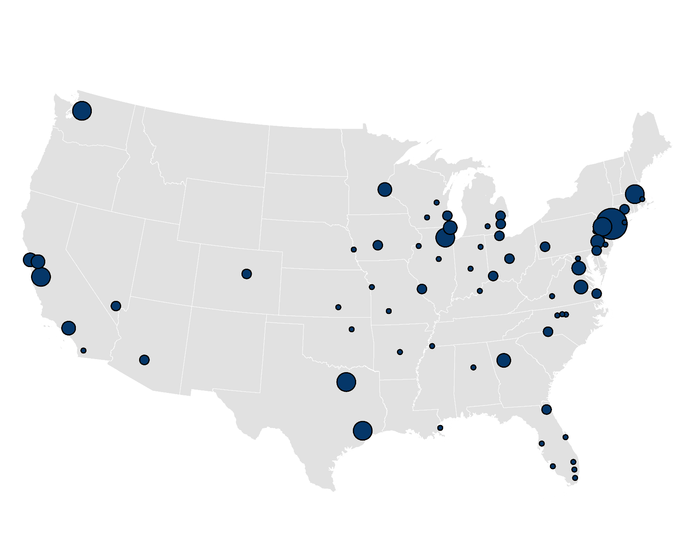
Source
Enter your source here
Source: Center for American Entrepreneurship analysis of Fortune Magazine data

CBSA Name | CBSA Code | Immigrant / Child of Immigrant Founded
Allentown-Bethlehem-Easton, PA-NJ | 10900 | 1
Atlanta-Sandy Springs-Marietta, GA | 12060 | 5
Bethesda-Frederick-Gaithersburg, MD | 13644 | 1
Birmingham-Hoover, AL | 13820 | 1
Bloomington-Normal, IL | 14060 | 1
Boston-Quincy, MA | 14484 | 1
Bridgeport-Stamford-Norwalk, CT | 14860 | 4
Burlington, NC | 15500 | 1
Cambridge-Newton-Framingham, MA | 15764 | 7
Camden, NJ | 15804 | 1
Cape Coral-Fort Myers, FL | 15980 | 1
Charlotte-Gastonia-Concord, NC-SC | 16740 | 2
Chicago-Naperville-Joliet, IL | 16974 | 11
Cincinnati-Middletown, OH-KY-IN | 17140 | 3
Columbus, OH | 18140 | 2
Dallas-Plano-Irving, TX | 19124 | 8
Source: Center for American Entrepreneurship analysis of Fortune Magazine data
Davenport-Moline-Rock Island, IA-IL | 19340 | 1
Denver-Aurora, CO | 19740 | 3
Des Moines, IA | 19780 | 2
Detroit-Livonia-Dearborn, MI | 19804 | 2
Durham, NC | 20500 | 1
Fort Wayne, IN | 23060 | 1
Ft Lauderdale-Pompano Beach-Deerfield, FL | 22744 | 1
Greensboro-High Point, NC | 24660 | 1
Hartford-West Hartford-East Hartford, CT | 25540 | 2
Houston-Baytown-Sugar Land, TX | 26420 | 9
Indianapolis, IN | 26900 | 1
Jackson, MI | 27100 | 1
Jacksonville, FL | 27260 | 3
Kansas City, MO-KS | 28140 | 1
Lake County-Kenosha County, IL-WI | 29404 | 5
Las Vegas-Paradise, NV | 29820 | 2
Little Rock-North Little Rock, AR | 30780 | 1
Los Angeles-Long Beach-Santa Ana, CA | 31084 | 6
Louisville, KY-IN | 31140 | 1
Madison, WI | 31540 | 1
Memphis, TN-MS-AR | 32820 | 1
Miami-Miami Beach-Kendall, FL | 33124 | 1
Milwaukee-Waukesha-West Allis, WI | 33340 | 3
Minneapolis-St. Paul-Bloomington, MN-WI | 33460 | 5
Nassau-Suffolk, NY | 35004 | 1
New Orleans-Metairie-Kenner, LA | 35380 | 1
New York-Wayne-White Plains, NY-NJ | 35644 | 31
Newark-Union, NJ-PA | 35084 | 7
Oakland-Fremont-Hayward, CA | 36084 | 4
Omaha-Council Bluffs, NE-IA | 36540 | 1
Oshkosh-Neenah, WI | 36780 | 1
Palm Bay-Melbourne-Titusville, FL | 37340 | 1
Philadelphia, PA | 37964 | 5
Phoenix-Mesa-Scottsdale, AZ | 38060 | 2
Pittsburgh, PA | 38300 | 3
Richmond, VA | 40060 | 5
Roanoke, VA | 40220 | 1
San Diego-Carlsbad-San Marcos, CA | 41740 | 1
San Francisco-San Mateo-Redwood City, CA | 41884 | 4
San Jose-Sunnyvale-Santa Clara, CA | 41940 | 10
Seattle-Bellevue-Everett, WA | 42644 | 7
Springfield, MO | 44180 | 1
St. Louis, MO-IL | 41180 | 2
Tampa-St. Petersburg-Clearwater, FL | 45300 | 1
Toledo, OH | 45780 | 2
Tulsa, OK | 46140 | 1
Virginia Beach-Norfolk-Newport News, VA | 47260 | 2
Warren-Farmington-Hills-Troy, MI | 47644 | 3
Washington-Arlington-Alexandria, DC-VA | 47894 | 5
West Palm Beach-Boca Raton-Boynton, FL | 48424 | 1
Wichita, KS | 48620 | 1
Wilmington, DE-MD-NJ | 48864 | 2

Figure4
Title
Enter your title here
Fortune 500 Companies Founded by Immigrants or the Children of Immigrants, by State (2017)

Fortune 500 Companies Founded by Immigrants or the Children of Immigrants, by State (2017)
Sub-Title
Enter your sub title here

Source
Enter your source here
Source: Center for American Entrepreneurship analysis of Fortune Magazine data

State Name | State Code | Immigrant / Child of Immigrant Founded
Alabama | 1000 | 1
Arizona | 4000 | 2
Arkansas | 5000 | 1
California | 6000 | 25
Colorado | 8000 | 3
Connecticut | 9000 | 6
Delaware | 10000 | 2
Florida | 12000 | 9
Georgia | 13000 | 6
Illinois | 17000 | 18
Indiana | 18000 | 2
Iowa | 19000 | 2
Kansas | 20000 | 2
Kentucky | 21000 | 1
Louisiana | 22000 | 1
Maryland | 24000 | 1
Source: Center for American Entrepreneurship analysis of Fortune Magazine data
Massachusetts | 25000 | 8
Michigan | 26000 | 7
Minnesota | 27000 | 6
Missouri | 29000 | 3
Nebraska | 31000 | 1
Nevada | 32000 | 2
New Jersey | 34000 | 8
New York | 36000 | 32
North Carolina | 37000 | 5
Ohio | 39000 | 9
Oklahoma | 40000 | 1
Pennsylvania | 42000 | 9
Tennessee | 47000 | 1
Texas | 48000 | 17
Virginia | 51000 | 13
Washington | 53000 | 7
Wisconsin | 55000 | 5

